Location Plan & Summary
Intelligent Data Collection Limited

Client: | Bristol County Council |  | Date of Survey: |  | 09.07.2015
Project Number: | ID02343 |  | Site Name: |  | St Mark's Road
Site Number: | ANPR Site 24 |  | Survey Type: |  | Two-way Link Count

X Coordinate |  | Y Coordinate |  | Google Maps Link
51.46662 |  | -2.566083 |  | Click Here
AM Peak Conditions |  | Inter-Peak Conditions |  | PM Peak Conditions
Clear and Sunny |  | Clear and Sunny |  | Clear and Sunny
Junction Layout

N

 |  | Arm A - St Mark's Road (W)

 |  |  |  |  |  | Arm B - St Mark's Road (E)

Aerial Mapping and On-site Camera View
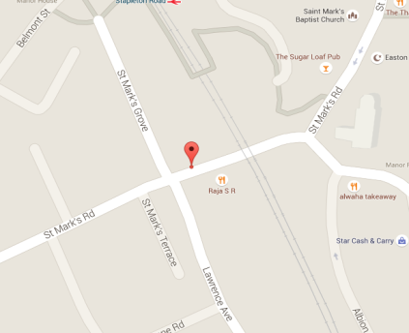

Arm A - St Mark's Road (W)

Arm B - St Mark's Road (E)

Junction Flow Profile
Arm Approach Flows (All Vehicles)
 | A to B (Eastbound) | B to A (Westbound) | Two-way Total
7:00:00 | 6 | 26 | 32
7:15:00 | 11 | 21 | 32
7:30:00 | 13 | 31 | 44
7:45:00 | 11 | 36 | 47
8:00:00 | 15 | 51 | 66
8:15:00 | 11 | 57 | 68
8:30:00 | 21 | 65 | 86
8:45:00 | 20 | 57 | 77
9:00:00 | 22 | 38 | 60
9:15:00 | 15 | 41 | 56
9:30:00 | 17 | 35 | 52
9:45:00 | 14 | 39 | 53
10:00:00 | 30 | 30 | 60
10:15:00 | 14 | 28 | 42
10:30:00 | 11 | 30 | 41
10:45:00 | 21 | 44 | 65
11:00:00 | 15 | 25 | 40
11:15:00 | 12 | 32 | 44
11:30:00 | 19 | 27 | 46
11:45:00 | 19 | 29 | 48
12:00:00 | 28 | 35 | 63
12:15:00 | 26 | 43 | 69
12:30:00 | 30 | 39 | 69
12:45:00 | 26 | 41 | 67
13:00:00 | 24 | 37 | 61
13:15:00 | 25 | 36 | 61
13:30:00 | 27 | 38 | 65
13:45:00 | 29 | 21 | 50
14:00:00 | 29 | 34 | 63
14:15:00 | 21 | 43 | 64
14:30:00 | 17 | 30 | 47
14:45:00 | 17 | 52 | 69
15:00:00 | 25 | 43 | 68
15:15:00 | 32 | 42 | 74
15:30:00 | 34 | 50 | 84
15:45:00 | 43 | 40 | 83
16:00:00 | 45 | 33 | 78
16:15:00 | 32 | 36 | 68
16:30:00 | 45 | 49 | 94
16:45:00 | 46 | 47 | 93
17:00:00 | 37 | 44 | 81
17:15:00 | 53 | 48 | 101
17:30:00 | 50 | 45 | 95
17:45:00 | 47 | 46 | 93
18:00:00 | 49 | 54 | 103
18:15:00 | 35 | 43 | 78
18:30:00 | 41 | 37 | 78
18:45:00 | 29 | 51 | 80

Additional Notes (Factors which may impact on survey results such as accidents, roadworks, special events):

